Sheet1
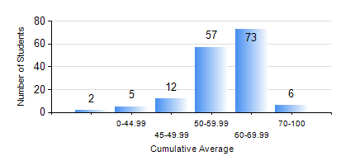
 |  |  | KWAME NKRUMAH UNIVERSITY OF SCIENCE AND TECHNOLOGY, KUMASI Department of Mechanical Engineering

 |  |  | BSC. INDUSTRIAL ENG.

 |  |  | COMPREHENSIVE RECORD OF EXAMINATION RESULTS

 |  |  | RESULTS OF YEAR 3 FIRST SEMESTER, 2022/2023 ACADEMIC YEAR

 | Sn | Course Code |  | Course Name | Credit Hours | Min. Mark | Max. Mark | Avg. Mark | Std. Dev. | No. Passed | No. Trailed | No. (Df) | No. (I) | No. (I*) | No. Tagged(I,I*,Df) | Total
 | 0. |  |  |  |  |  |  | 0 | 0 | 0 | 0 | 0 | 0 | 0 | 0 | 4
 | 1. | IE 351 |  | OPERATIONS RESEARCH I | 2 | 11 | 90 | 55 | 17.11 | 134 | 17 | 0 | 0 | 0 | 0 | 151
 | 2. | IE 355 |  | DISCRETE EVENT SIMULATION | 3 | 13 | 95 | 70 | 16.63 | 145 | 6 | 0 | 0 | 0 | 0 | 151
 | 3. | IE 357 |  | PROJECT MANAGEMENT | 2 | 12 | 79 | 62 | 10.76 | 146 | 5 | 0 | 0 | 0 | 0 | 151
 | 4. | IE 363 |  | PROCESS PLANNING SYSTEMS | 2 | 12 | 85 | 58 | 10.97 | 150 | 1 | 0 | 0 | 0 | 0 | 151
 | 5. | IE 365 |  | ENGINEERING WORK STUDY | 2 | 11 | 84 | 62 | 11.67 | 148 | 3 | 0 | 0 | 0 | 0 | 151
 | 6. | IE 367 |  | ETHICS, CONTRACT & PRODUCT LIABILITY LAW | 2 | 11 | 85 | 64 | 11.72 | 147 | 4 | 0 | 0 | 0 | 0 | 151
 | 7. | MATH 351 |  | NUMERICAL ANALYSIS | 2 | 16 | 70 | 52 | 8.97 | 143 | 8 | 0 | 0 | 0 | 0 | 151
 | 8. | STAT 253 |  | PROBABILITY AND STATISTICS | 2 | 17 | 88 | 59 | 9.38 | 149 | 2 | 0 | 0 | 0 | 0 | 151

